Control Wire Resistance Check
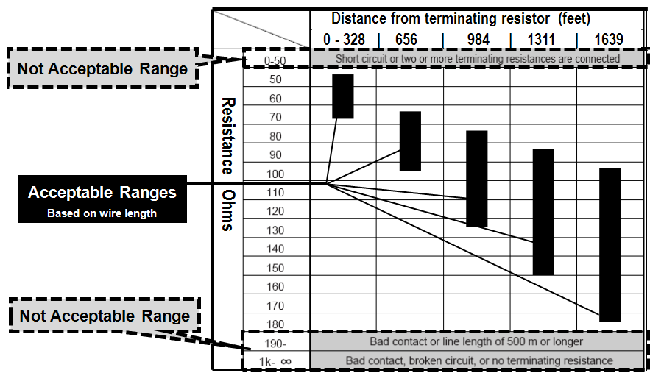
** This page must be completed only once for the entire project

Complete Prior to Powering System On
Project Name: | 0
Control Wire Resistance Check
Check resistance at both ends of the communication line, from the device with the terminal resistor (Outdoor Unit or Signal Amplifier) to the most distance device
Unit | Outdoor Unit | SA #1 | SA #2 | SA #3 | SA #4 | SA #5 | SA #6 | SA #7 | SA #8
Resistance (Ohms)

